Summary
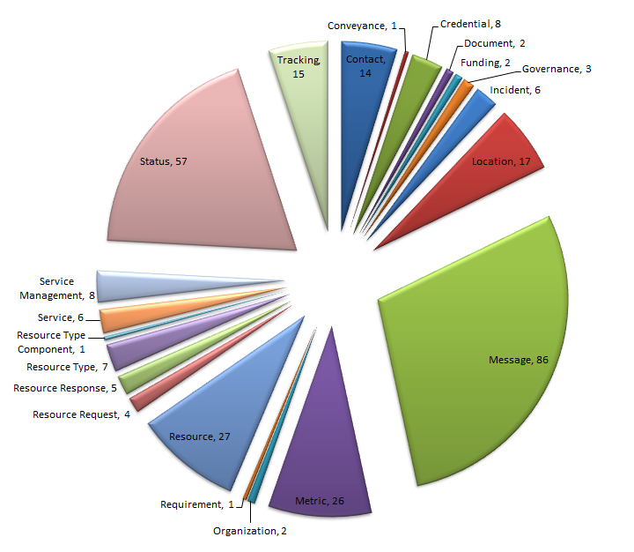
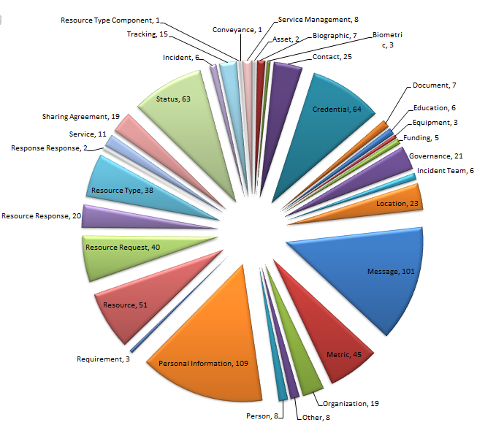
NIEM EM 3.0
Type of Attributes | Count
Elements | 295
ComplexTypes | 57
SimpleTypes | 12
Total | 364

NIEM EM 3.1.1 Phase II
Type of Attributes | Count
Elements | 750
ComplexTypes | 183
SimpleTypes | 45
Total | 978

NIEM EM 3.1.1 Phase III(next..)
Type of Attributes | Count
Elements
ComplexTypes
SimpleTypes
Total
NIEM 3.0 Elements based on DHS EM Conceptual Data Modal
NIEM 3.1 Phase II Elements based on DHS EM Conceptual Data Modal

